CONTENTS
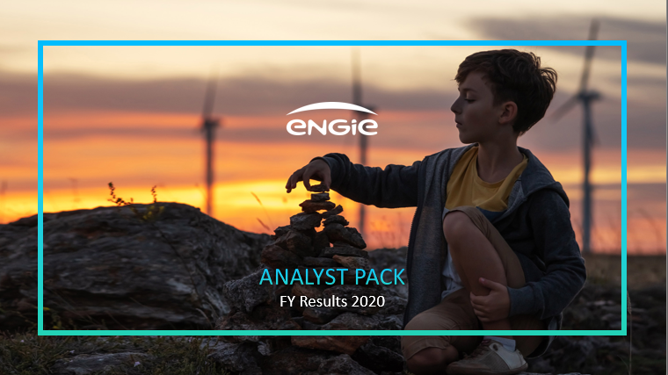

Contents:

Main industrial assets | Power generation fleet (as at 31 December 2020) Ú

 | Nuclear assets in Belgium Ú

 | Other major industrial assets Ú

Weather sensitivity Ú

