CONTENTS
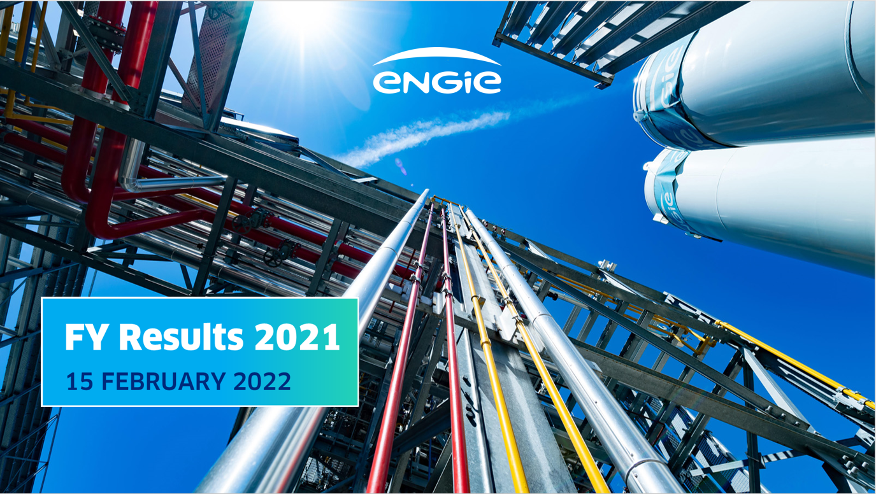

Contents:

Main industrial assets | Power generation fleet (as of 31 December 2021)

 | Nuclear assets in Belgium

 | Other major industrial assets

