CONTENTS
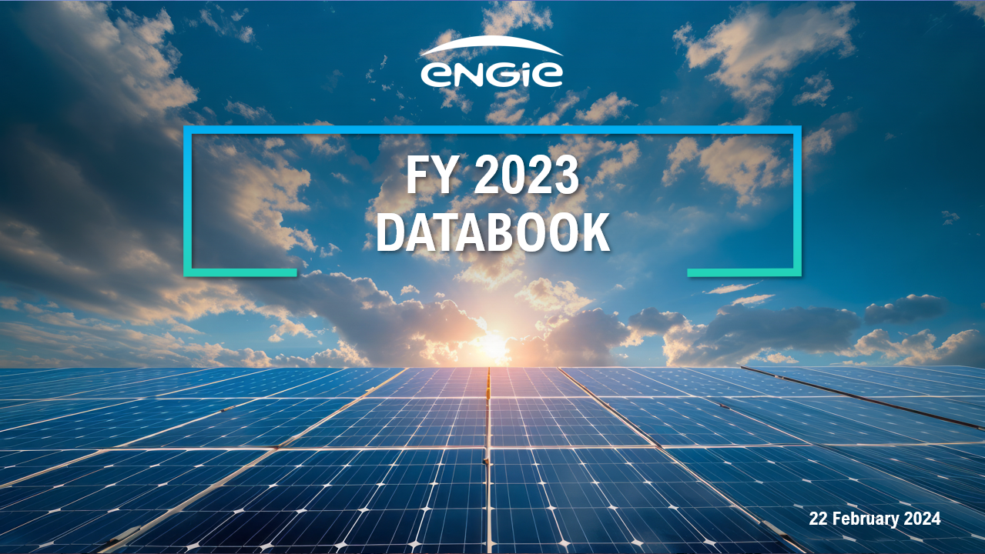

Contents:

Main industrial assets | Power generation fleet (as of 31 December 2023)

 | Nuclear assets in Belgium

 | Networks assets

