CONTENTS
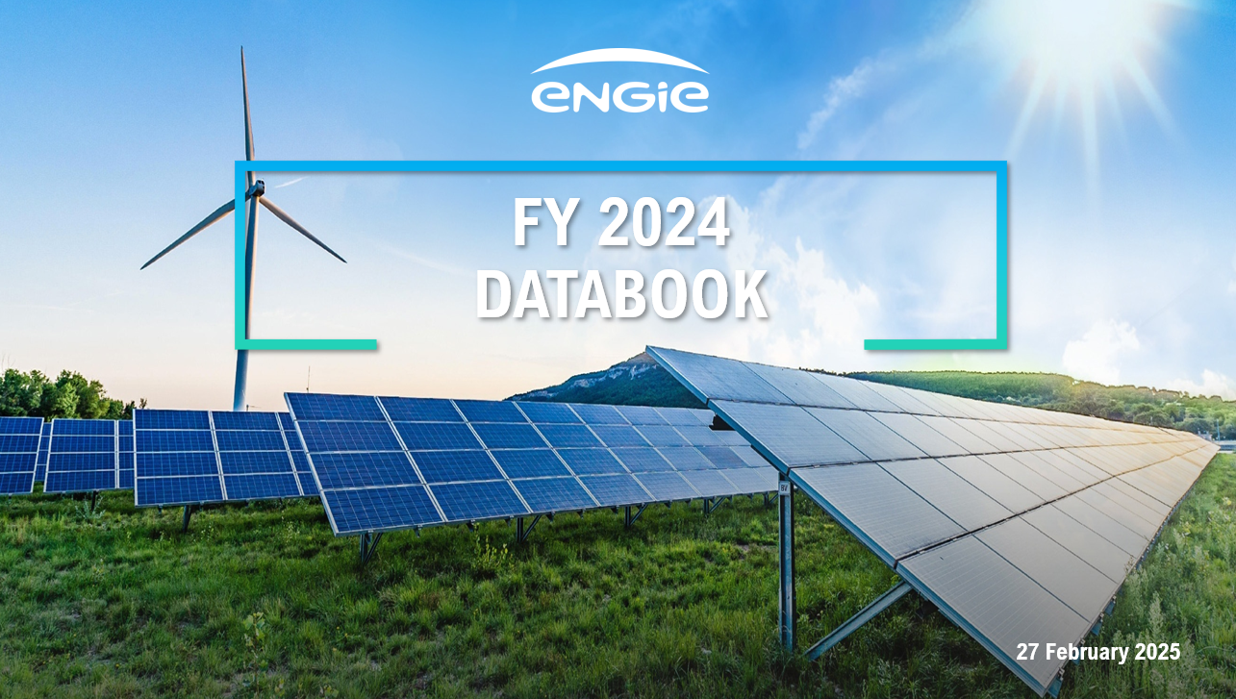

Contents:
Main industrial assets | Power generation fleet (as of 31 December 2024)

 | Nuclear assets in Belgium

 | Networks assets

