CONTENTS
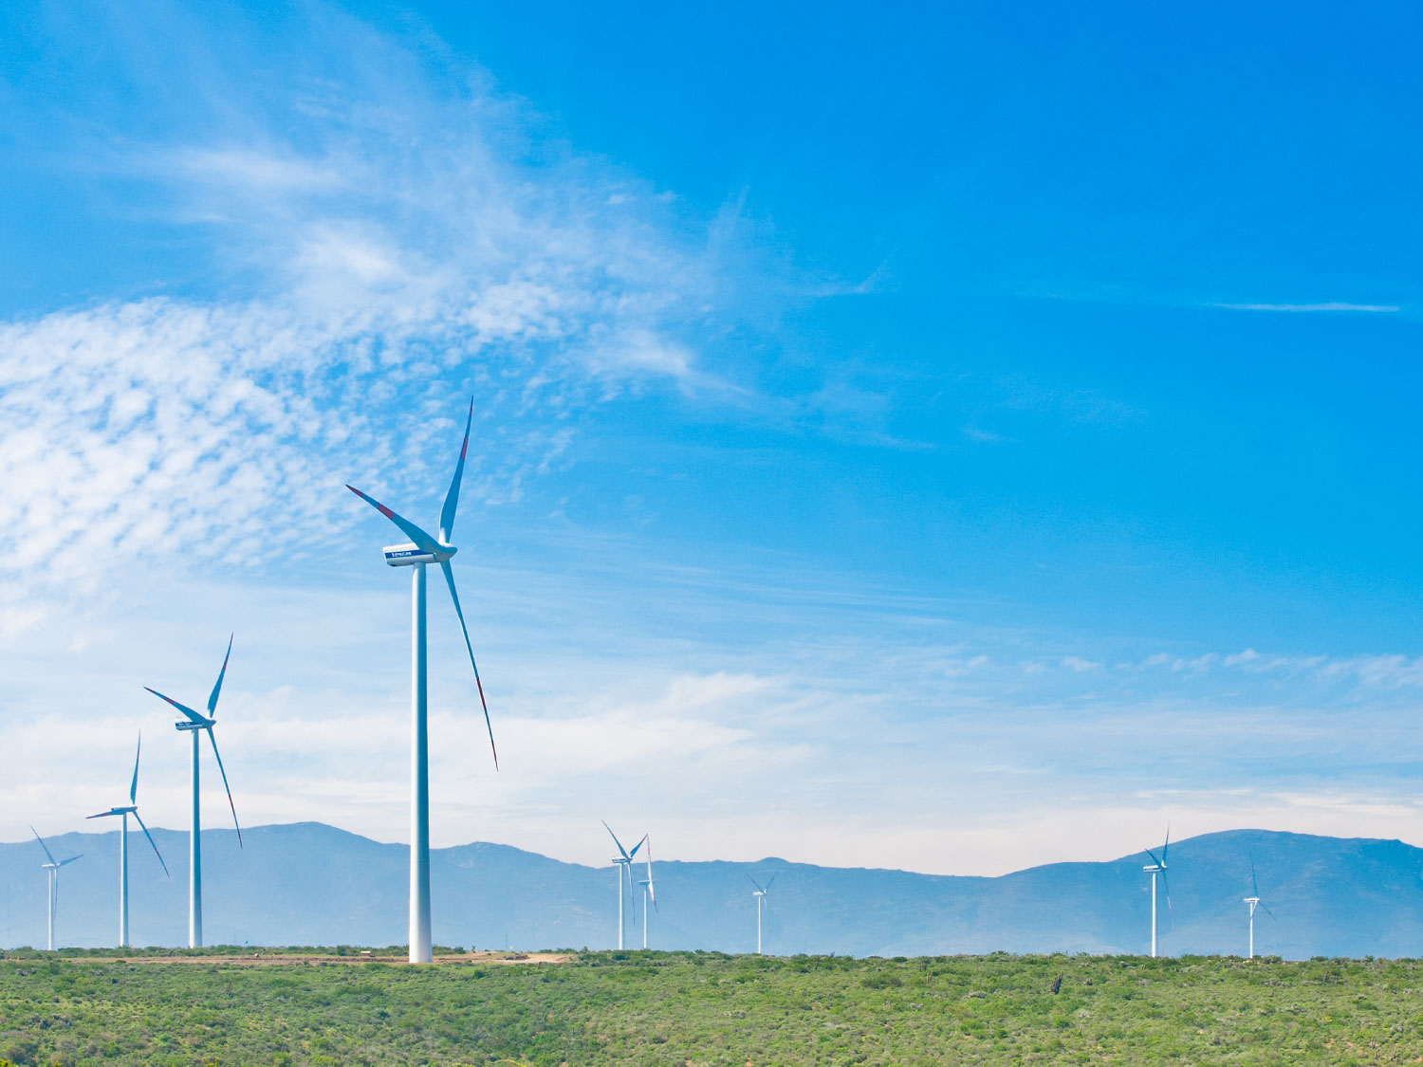
ANALYST PACK FY 2015 RESULTS

V 2013.08.08

Contents:

ENGIE presence Ú

Main industrial assets | Power generation fleet (as of December 31, 2015) Ú

 | Power generation fleet (synthesis) (as of December 31, 2015) Ú

 | Nuclear assets in Belgium Ú

 | Other major industrial assets Ú

 | Exploration & Production Ú

Key Financial Performance Indicators | P&L, CAPEX, Capital Employed Ú

 | Divisional P&L, CAPEX, Capital Employed Ú

 | Balance sheet Ú

Weather sensitivity Ú

2.2 Power plants synthesis
 | Power generation fleet
Data as at 31 December 2015

Status | Installed
Fuel | (Tous)

 | Values
Capacity (MW) | Somme de Capa. MW 100% | Somme de Capa. MW %conso | Somme de Capa. MW Net owner.
BEE | 40,182 | 35,017 | 32,356
CWE | 26,140 | 25,190 | 22,675
SEE | 14,042 | 9,827 | 9,681
BEI | 74,862 | 46,043 | 38,519
Asia-Pacific | 11,975 | 8,524 | 6,278
Latin America | 15,741 | 11,859 | 8,076
North America | 12,971 | 11,034 | 10,945
UK and Turkey | 6,268 | 5,913 | 4,636
SAMEA | 27,907 | 8,713 | 8,584
BES | 1,750 | 1,750 | 1,750
BES | 1,750 | 1,750 | 1,750
Solairedirect | 337 | 337 | 107
Solairedirect | 337 | 337 | 107
Total ENGIE | 117,131 | 83,148 | 72,733
Notes :
Non merchant refers to assets with one or several long term (> 3 years) contracts
% conso: % of consolidation for full and proportionally affiliates and % holding for equity consolidated companies
Net ownership %: ENGIE shareholding

 | Power generation fleet
Data as at 31 December 2015

Status | Installed

Étiquettes de lignes | Somme de Capa. MW 100%
BEE | 40182.044
CWE | 26139.881
SEE | 14042.163
BEI | 74861.723
Asia-Pacific | 11974.852
Latin America | 15741.198
North America | 12971.024
Total capacity: 117,1 GW
SAMEA | 27906.799
UK and Turkey | 6267.85
BES | 1750.119
BES | 1750.119
Solairedirect | 337.283
Solairedirect | 337.283
Total général | 117131.169

 |  |  | Total capacity: 117,1 GW

