CONTENTS
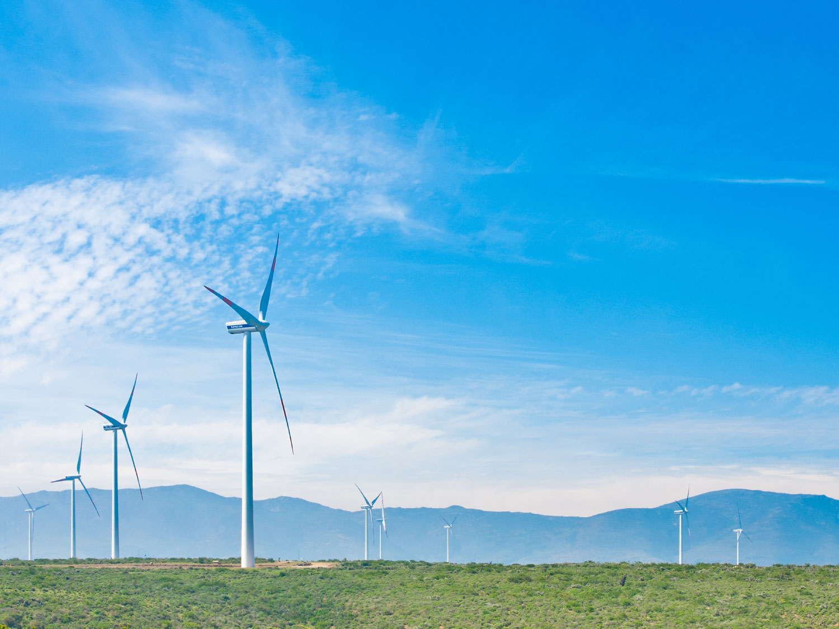
ANALYST PACK FY 2017 RESULTS

V 2013.08.08

Contents:

ENGIE presence Ú

Main industrial assets | Power generation fleet (as of 31 December 2017) Ú

 | Power generation fleet (synthesis) (as of 31 December 2017) Ú

 | Nuclear assets in Belgium Ú

 | Other major industrial assets Ú

Key Financial Performance Indicators | P&L, CAPEX, Capital Employed Ú

 | Divisional P&L, CAPEX, Capital Employed Ú

 | Balance sheet Ú

 | Main consolidated entities Ú

Weather sensitivity Ú

2.2 Power plants synthesis
 | Power generation fleet
Fuel | (Tous)
Status | (Tous)

 | Values
Capacity MW | Somme de Capa. MW 100% | Somme de Capa. MW %conso | Somme de Capa. MW Net owner.
AFRICA-ASIA | 43,647 | 17,681 | 15,697
BENELUX | 6,823 | 6,734 | 6,715
FRANCE | 7,785 | 7,166 | 5,329
LATAM | 19,522 | 15,234 | 10,506
NORTHAM | 3,185 | 1,587 | 1,499
OTHER | 22,428 | 18,987 | 18,561
OTHER EUROPE | 5,403 | 4,837 | 4,185
Total général | 108,794 | 72,226 | 62,491

Notes :
Non merchant refers to assets with one or several long term (> 3 years) contracts
Net Group share definition: % of consolidation for full and proportionally affiliates and % holding for equity consolidated companies
ENGIE Share holding

 | Power generation fleet

Status | (Tous)

Capacity MW | Somme de Capa. MW 100%
AFRICA-ASIA | 43646.934
BENELUX | 6823.337
FRANCE | 7784.931
LATAM | 19522.007
NORTHAM | 3185.494
OTHER | 22427.849
Total capacity: 108,8 GW
OTHER EUROPE | 5402.963
Total général | 108793.515

 |  |  | Total capacity: 108,8 GW

