CONTENTS
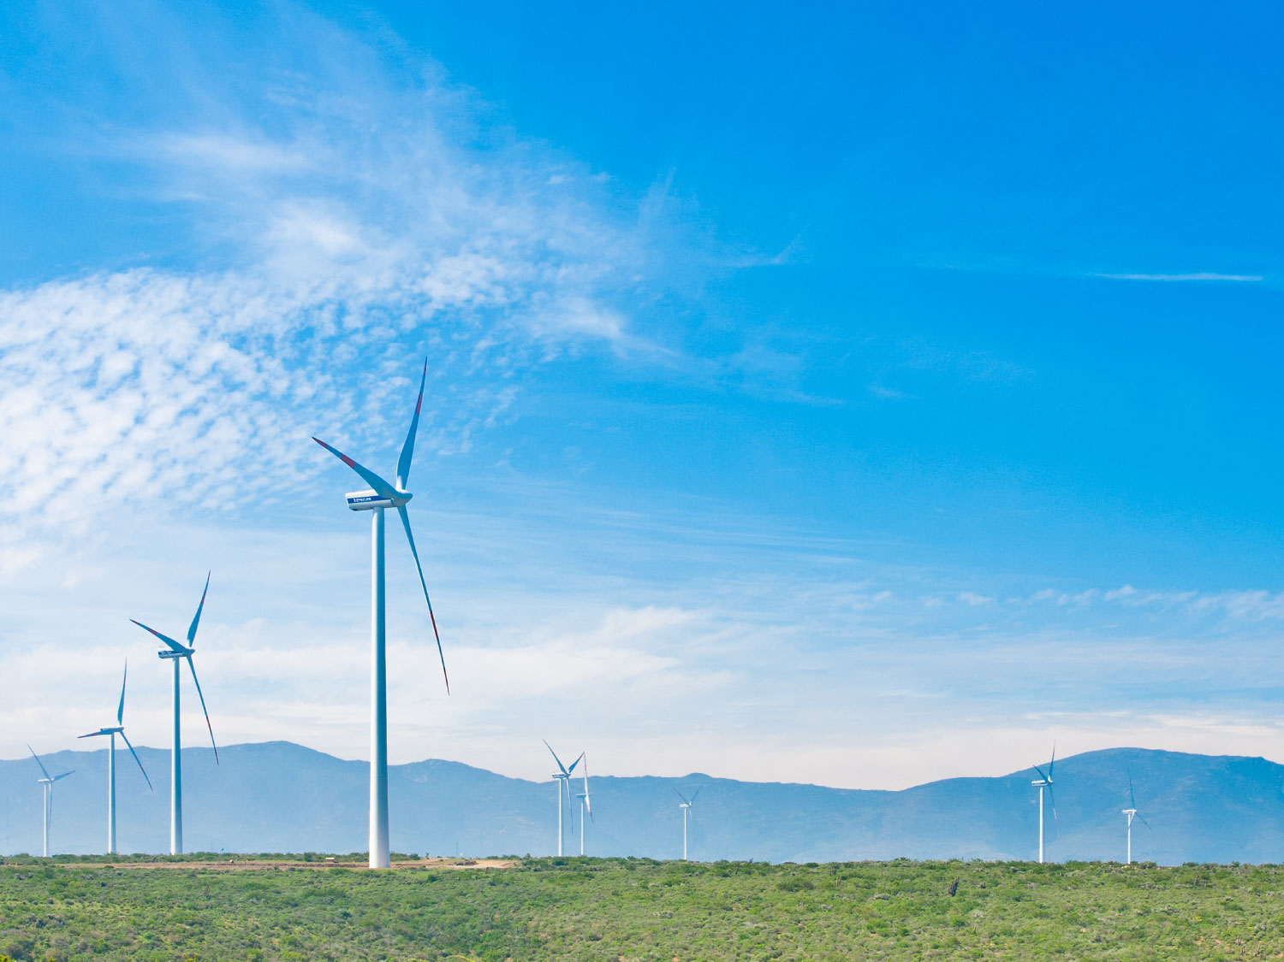
ANALYST PACK FY 2018 RESULTS

V 2013.08.08

Contents:

ENGIE presence Ú

Main industrial assets | Power generation fleet (as of 31 December 2018) Ú

 | Power generation fleet (synthesis) (as of 31 December 2018) Ú

 | Nuclear assets in Belgium Ú

 | Other major industrial assets Ú

Key Financial Performance Indicators | P&L, CAPEX, Capital Employed Ú

 | Divisional P&L, CAPEX, Capital Employed Ú

 | Balance sheet Ú

Weather sensitivity Ú

2.2 Power plants synthesis
 | Power generation fleet
Fuel | (Tous)
Status | In operation

 | Values
Capacity MW | Somme de Capa. MW 100% | Somme de Capa. MW % conso | Somme de Capa MW Net owners.
AFRICA-ASIA | 40,850 | 16,114 | 14,459
BENELUX | 6,851 | 6,752 | 6,734
EUROPE EXCL. FRANCE&BENELUX | 4,286 | 3,758 | 3,105
FRANCE | 8,577 | 7,289 | 5,428
GEM | 1,100 | 1,100 | 1,100
LATAM | 18,310 | 14,022 | 9,766
NORTHAM | 3,464 | 1,814 | 1,727
OTHER | 20,865 | 17,659 | 17,233
Total général | 104,302 | 68,509 | 59,551

Notes :
Non merchant refers to assets with one or several long term (> 3 years) contracts
Net Group share definition: % of consolidation for full and proportionally affiliates and % holding for equity consolidated companies
ENGIE Share holding

 | Power generation fleet

