CONTENTS
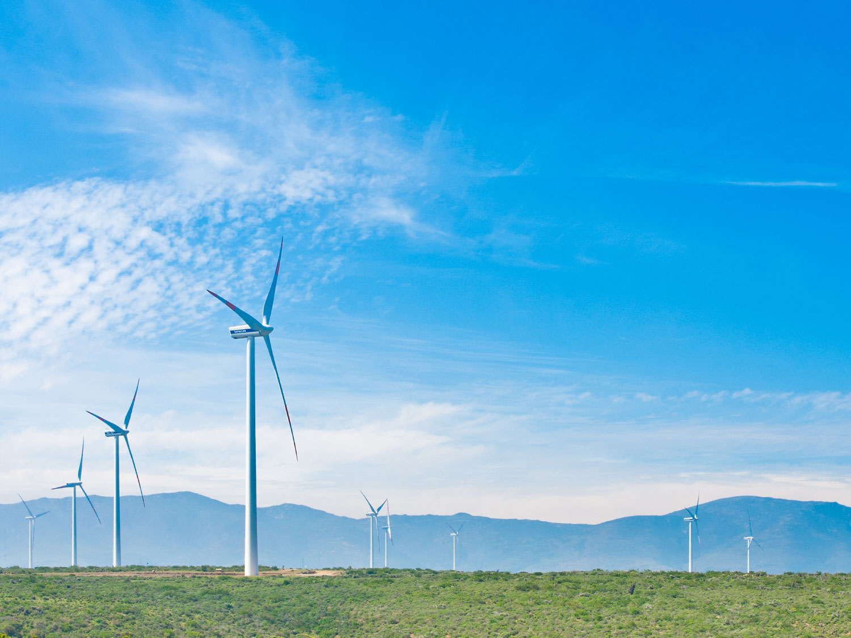
ANALYST PACK H1 2015 RESULTS

V 2013.08.08

Contents:

ENGIE presence Ú

Main industrial assets | Power generation fleet (as of June 30, 2015) Ú

 | Power generation fleet (synthesis) (as of June 30, 2015) Ú

 | Nuclear assets in Belgium Ú

 | Other major industrial assets Ú

 | Exploration & Production Ú

Weather sensitivity Ú

2.2 Power plants synthesis
 | Power generation fleet
Data as at 30 June 2015

Status | Installed
Fuel | (Tous)
Contractual position (2) | (Tous)

 | Values
Capacity (MW) | Somme de Capa. MW 100% | Somme de Capa. MW %conso | Somme de Capa. MW Net owner.
BEE | 39,567 | 34,529 | 31,923
CWE | 25,611 | 24,749 | 22,288
SEE | 13,956 | 9,780 | 9,635
BEI | 73,323 | 45,525 | 38,044
Asia-Pacific | 11,975 | 8,524 | 6,278
Latin America | 15,023 | 11,501 | 7,763
North America | 13,126 | 11,189 | 11,100
UK and Turkey | 6,268 | 5,913 | 4,636
SAMEA | 26,931 | 8,398 | 8,268
BES | 1,701 | 1,701 | 1,701
BES | 1,701 | 1,701 | 1,701
Total GDF SUEZ | 114,591 | 81,755 | 71,668

Notes :
Non merchant refers to assets with one or several long term (> 3 years) contracts
% conso: % of consolidation for full and proportionally affiliates and % holding for equity consolidated companies
Net ownership %: GDF SUEZ shareholding

 | Power generation fleet
Data as at 30 June 2015

Status | Installed

Étiquettes de lignes | Somme de Capa. MW 100%
BEE | 39684.362
CWE | 25762.718
SEE | 13921.644
BEI | 73890.794
Asia-Pacific | 11981.732
Latin America | 14180.382
North America | 13055.624
Total capacity: 114,6 GW
South Asia, Middle East & Africa | 26445.206
UK and Turkey | 8227.85
BES | 1481.216
BES | 1481.216
Total général | 115056.372

 |  |  | Total capacity: 114,6 GW

