CONTENTS
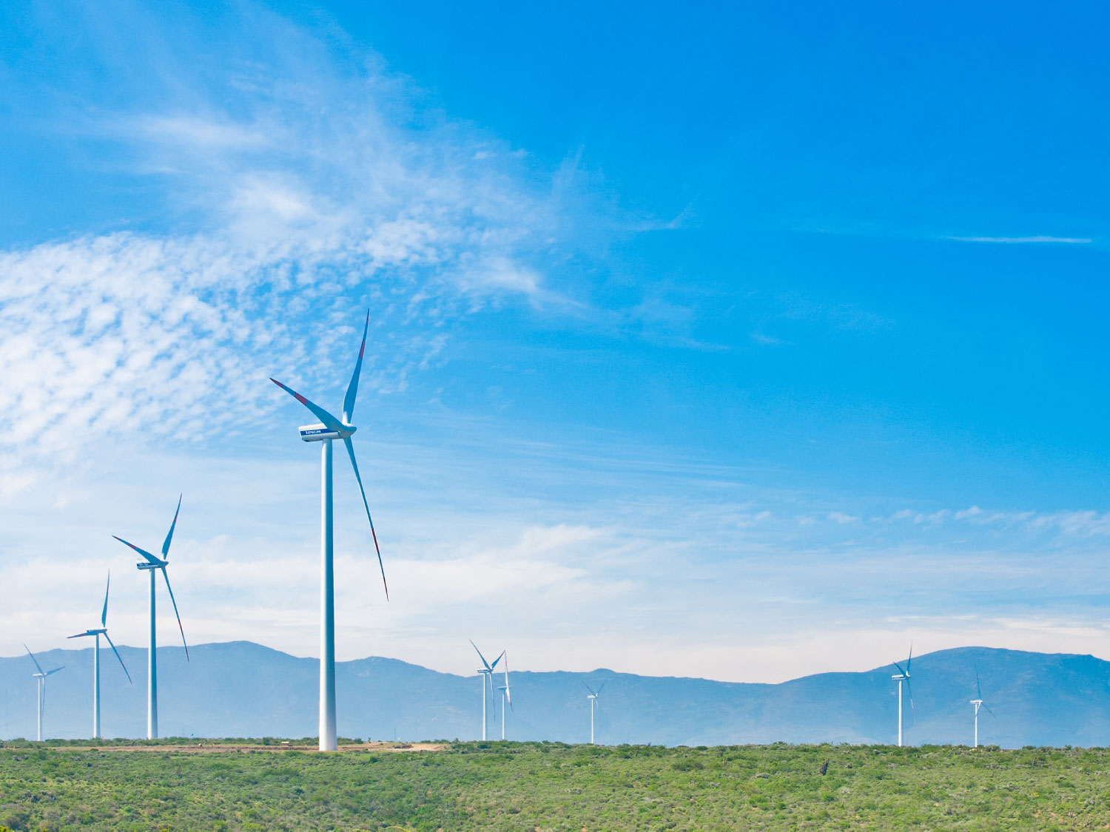
ANALYST PACK H1 2016 RESULTS

V 2013.08.08

Contents:

ENGIE presence Ú

Main industrial assets | Power generation fleet (as of 30 June 2016) Ú

 | Power generation fleet (synthesis) (as of 30 June 2016) Ú

 | Nuclear assets in Belgium Ú

 | Other major industrial assets Ú

 | Exploration & Production Ú

Weather sensitivity Ú

2.2 Power plants synthesis
 | Power generation fleet
Status | Installed
Fuel | (Tous)

 | Values
Capacity MW | Somme de Capa. MW 100% | Somme de Capa. MW %conso | Somme de Capa. MW Net owner.
AFRICA ASIA | 40,585 | 18,121 | 15,709
BENELUX | 6,854 | 6,824 | 6,806
FRANCE | 7,073 | 6,686 | 4,808
LATAM | 16,193 | 12,265 | 8,446
NORAM | 11,323 | 9,386 | 9,296
OTHER | 25,091 | 21,884 | 20,571
OTHER EUROPE | 4,284 | 3,725 | 3,072
GEM&LNG | 1,100 | 1,100 | 1,100
Total général | 112,502 | 79,992 | 69,807

Notes :
Non merchant refers to assets with one or several long term (> 3 years) contracts
% conso: % of consolidation for fully and proportionally affiliates and % holding for equity consolidated companies
Net ownership %: ENGIE shareholding

 | Power generation fleet

Status | Installed

Capacity MW | Somme de Capa. MW 100%
AFRICA ASIA | 40584.917
BENELUX | 6854.147
FRANCE | 7072.88
LATAM | 16192.808
NORAM | 11322.5
OTHER | 25090.784
OTHER EUROPE | 4283.517
Total capacity: 112,5 GW
GEM&LNG | 1100
Total général | 112501.553

 |  |  | Total capacity: 112,5 GW

