CONTENTS
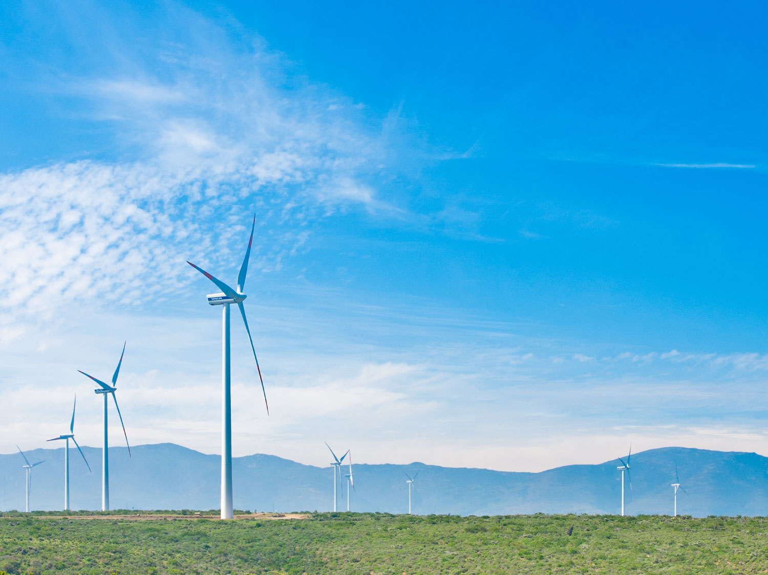
ANALYST PACK H1 2017 RESULTS

V 2013.08.08

Contents:

ENGIE presence Ú

Main industrial assets | Power generation fleet (as of 30 June 2017) Ú

 | Power generation fleet (synthesis) (as of 30 June 2017) Ú

 | Nuclear assets in Belgium Ú

 | Other major industrial assets Ú

 | Exploration & Production Ú

Key Financial Performance Indicators | P&L, CAPEX, Capital Employed Ú

 | Divisional P&L, CAPEX, Capital Employed Ú

 | Balance sheet Ú

Weather sensitivity Ú

2.2 Power plants synthesis
 | Power generation fleet
Fuel | (Tous)
Status | (Tous)

 | Values
Capacity MW | Somme de Capa. MW 100% | Somme de Capa. MW %conso | Somme de Capa. MW Net owner.
AFRICA ASIA | 42,856 | 17,348 | 15,397
BENELUX | 6,811 | 6,728 | 6,709
FRANCE | 7,468 | 6,942 | 5,115
LATAM | 18,465 | 14,177 | 9,774
NORAM | 3,162 | 1,572 | 1,484
OTHER | 22,970 | 19,319 | 18,375
OTHER EUROPE | 5,391 | 4,825 | 4,173
Total général | 107,123 | 70,911 | 61,027

Notes :
Non merchant refers to assets with one or several long term (> 3 years) contracts
Net Group share definition: % of consolidation for full and proportionally affiliates and % holding for equity consolidated companies
ENGIE Share holding

 | Power generation fleet

Status | (Tous)

Capacity MW | Somme de Capa. MW 100%
AFRICA ASIA | 42856.207
BENELUX | 6811.197
FRANCE | 7467.649
LATAM | 18465.017
NORAM | 3161.7
OTHER | 22970.279
OTHER EUROPE | 5391.028
Total capacity: 107,1 GW
Total général | 107123.077

 |  |  | Total capacity: 107,1 GW

