CONTENTS
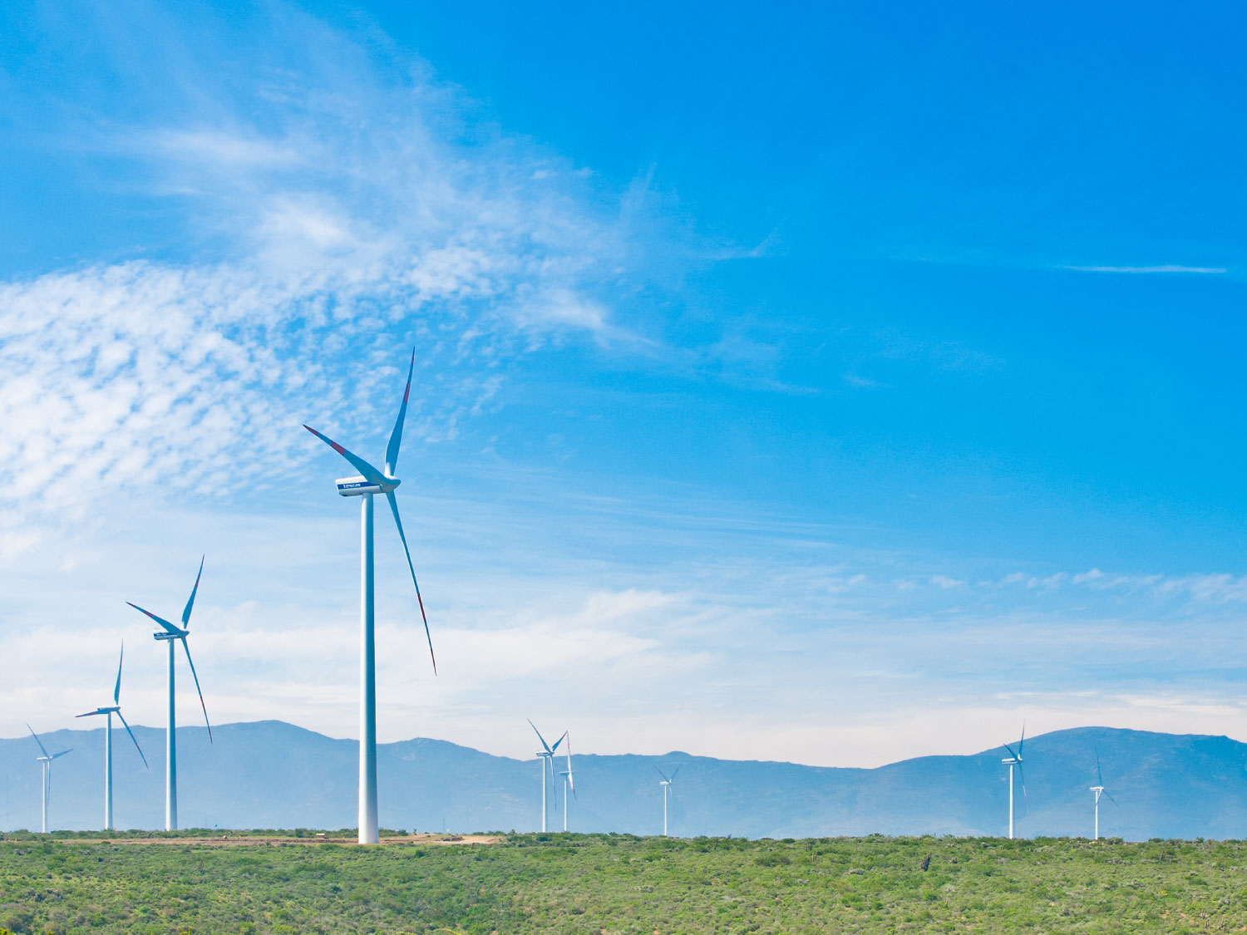
ANALYST PACK FY 2016 RESULTS

V 2013.08.08

Contents:

ENGIE presence Ú

Main industrial assets | Power generation fleet (as of 31 December 2016) Ú

 | Power generation fleet (synthesis) (as of 31 December 2016) Ú

 | Nuclear assets in Belgium Ú

 | Other major industrial assets Ú

 | Exploration & Production Ú

Key Financial Performance Indicators | P&L, CAPEX, Capital Employed Ú

 | Divisional P&L, CAPEX, Capital Employed Ú

 | Balance sheet Ú

Weather sensitivity Ú

2.2 Power plants synthesis
 | Power generation fleet
Fuel | (Tous)
Status | (Tous)

 | Values
Capacity MW | Somme de Capa. MW 100% | Somme de Capa. MW %conso | Somme de Capa. MW Net owner.
AFRICA ASIA | 42,938 | 18,299 | 15,918
BENELUX | 6,789 | 6,714 | 6,696
FRANCE | 7,360 | 6,831 | 4,836
LATAM | 18,629 | 14,341 | 9,853
NORAM | 11,331 | 9,434 | 9,346
OTHER | 25,499 | 21,847 | 20,899
OTHER EUROPE | 5,383 | 4,818 | 4,165
Total général | 117,929 | 82,283 | 71,713

Notes :
Non merchant refers to assets with one or several long term (> 3 years) contracts
Net Group share definition: % of consolidation for full and proportionally affiliates and % holding for equity consolidated companies
ENGIE Share holding

 | Power generation fleet

Status | (Tous)

Capacity MW | Somme de Capa. MW 100%
AFRICA ASIA | 42937.513
BENELUX | 6788.947
FRANCE | 7360.329
LATAM | 18628.683
NORAM | 11331.4
OTHER | 25503.689
OTHER EUROPE | 5378.826
Total capacity: 117,9 GW
Total général | 117929.387

 |  |  | Total capacity: 117,9 GW

