CONTENTS
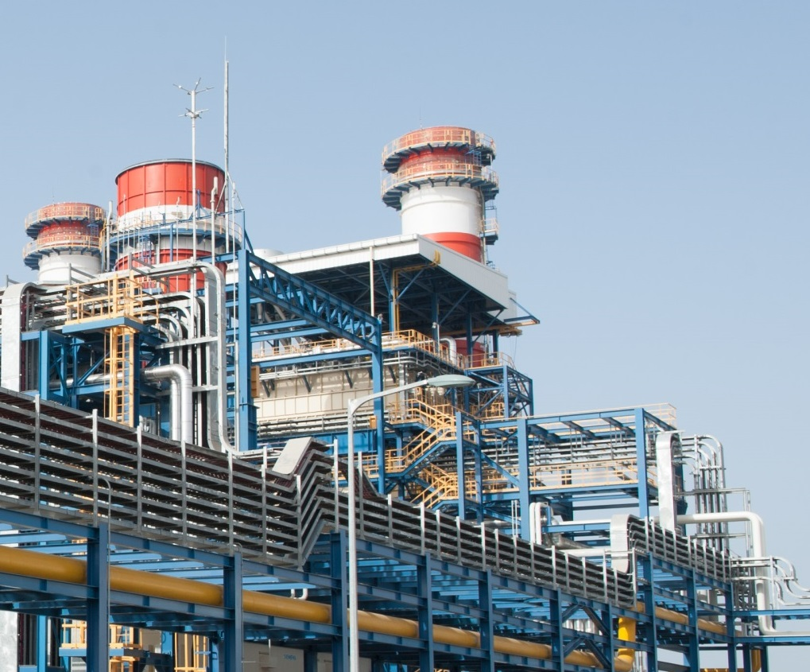
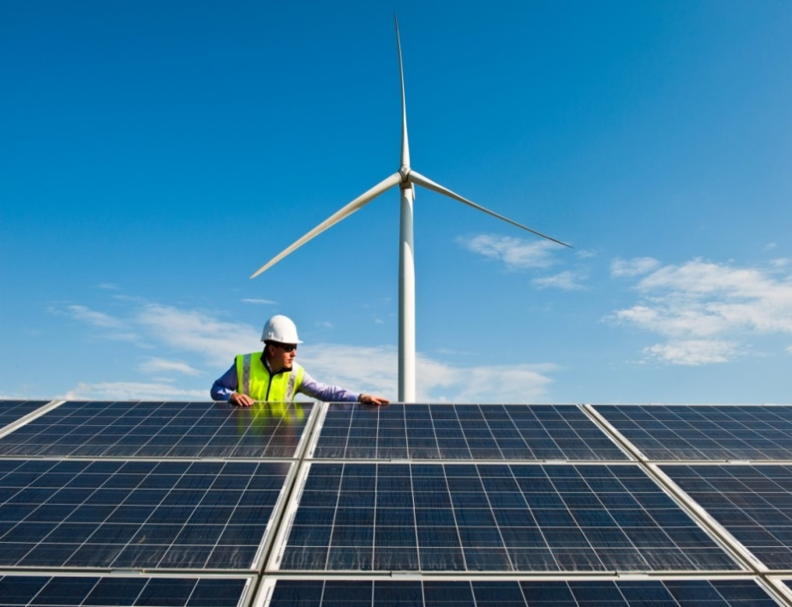

Barka III, Oman
Bollene photovoltaic park, France
Analyst Pack
FY 2014 RESULTS

V 2013.08.08

Contents:

GDF SUEZ presence Ú

Main industrial assets | Power generation fleet (as of December 31, 2014) Ú

 | Power generation fleet (synthesis) (as of December 31, 2014) Ú

 | Nuclear assets in Belgium Ú

 | Other major industrial assets Ú

 | Exploration & Production Ú

Key Financial Performance Indicators | P&L, CAPEX, Capital Employed Ú

 | Divisional P&L, CAPEX, Capital Employed Ú

 | Balance sheet Ú

Main consolidated entities Ú

Weather sensitivity Ú

2.2 Power plants synthesis
 | Power generation fleet
Data as at 31 December 2014

Status | Installed
Fuel | (Tous)
Contractual position (2) | (Tous)

 | Values
Capacity (MW) | Somme de Capa. MW 100% | Somme de Capa. MW %conso | Somme de Capa. MW Net owner.
BEE | 39,684 | 34,684 | 32,098
CWE | 25,763 | 24,938 | 22,498
SEE | 13,922 | 9,746 | 9,600
BEI | 73,891 | 44,944 | 37,654
Asia-Pacific | 11,982 | 8,531 | 6,283
Latin America | 14,180 | 11,160 | 7,425
North America | 13,056 | 11,127 | 11,038
South Asia, Middle East & Africa | 26,445 | 8,214 | 8,081
UK and Turkey | 8,228 | 5,913 | 4,826
BES | 1,701 | 1,701 | 1,701
BES | 1,701 | 1,701 | 1,701
Total GDF SUEZ | 115,276 | 81,329 | 71,452

Notes :
Non merchant refers to assets with one or several long term (> 3 years) contracts
% conso: % of consolidation for full and proportionally affiliates and % holding for equity consolidated companies
Net ownership %: GDF SUEZ shareholding

 | Power generation fleet
Data as at 31 December 2014

Status | Installed

Étiquettes de lignes | Somme de Capa. MW 100%
BEE | 39684.362
CWE | 25762.718
SEE | 13921.644
BEI | 73890.794
Asia-Pacific | 11981.732
Latin America | 14180.382
Total capacity: 115,3 GW
North America | 13055.624
South Asia, Middle East & Africa | 26445.206
UK and Turkey | 8227.85
BES | 1481.216
BES | 1481.216
Total général | 115056.372

 |  |  | Total capacity: 115,3 GW

