CONTENTS
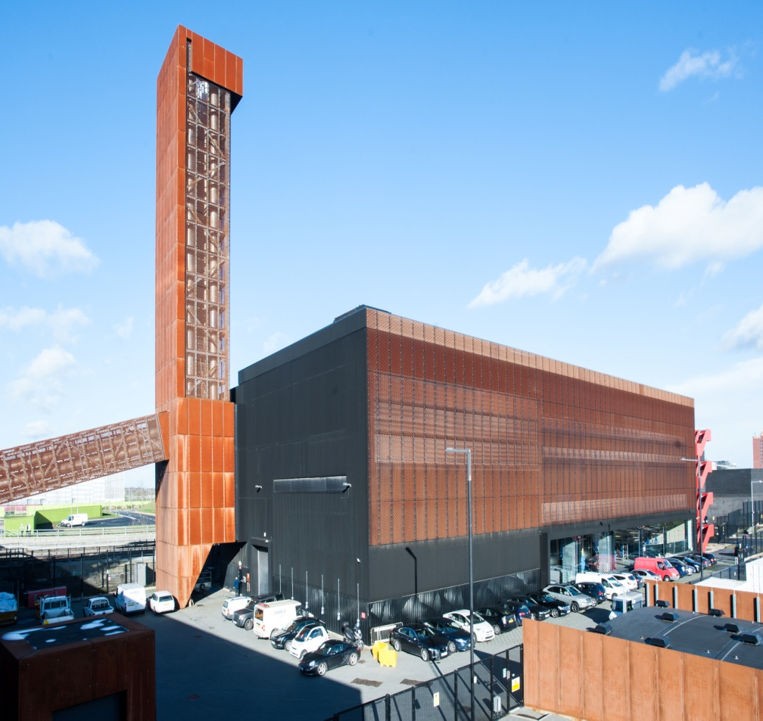
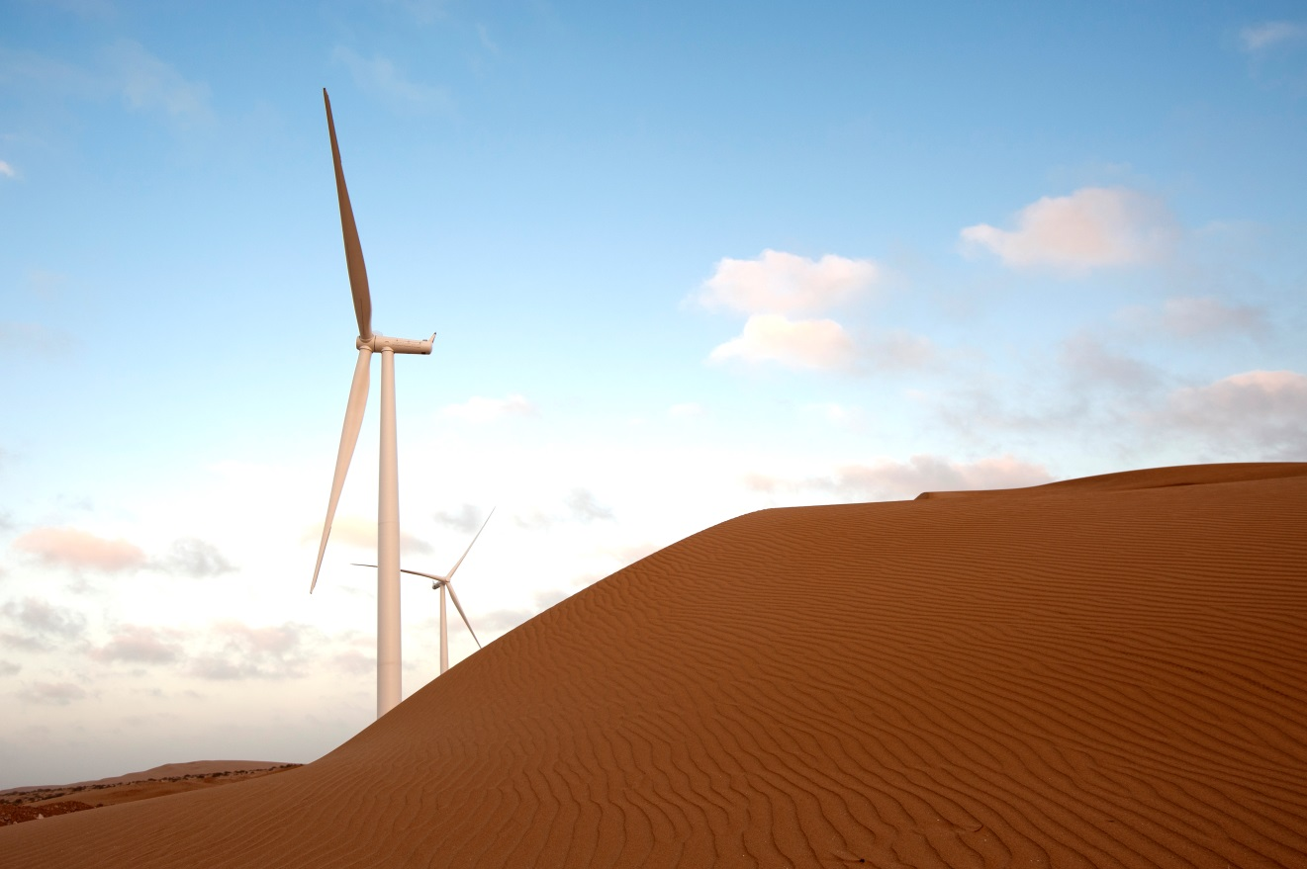

London Olympic power plant, UK
Tarfaya, Maroc
Analyst Pack
H1 2014 RESULTS

V 2013.08.08

Contents:

GDF SUEZ presence Ú

Main industrial assets | Power generation fleet (as of June 30, 2014) Ú

 | Power generation fleet (synthesis) (as of June 30, 2014) Ú

 | Nuclear assets in Belgium Ú

 | Other major industrial assets Ú

 | Exploration & Production Ú

Key Financial Performance Indicators | P&L, CAPEX, Capital Employed Ú

 | Divisional P&L, CAPEX, Capital Employed Ú

 | Balance sheet Ú

Main consolidated entities Ú

Weather sensitivity Ú

2.2 Power plants synthesis
 | Power generation fleet
Data as at 30 June 2014

Status | Installed
Fuel | (Tous)
Contractual position (2) | (Tous)

 | Values
Capacity (MW) | Somme de Capa. MW 100% | Somme de Capa. MW %conso | Somme de Capa. MW Net owner.
BEE | 39,351 | 34,535 | 31,973
CWE | 25,693 | 24,861 | 22,445
SEE | 13,659 | 9,673 | 9,527
BEI | 73,179 | 45,192 | 37,746
Asia-Pacific | 11,982 | 8,531 | 6,283
Latin America | 13,684 | 11,249 | 7,393
North America | 13,040 | 11,112 | 11,023
SAMEA | 26,245 | 8,353 | 8,186
UK & other EU | 8,228 | 5,948 | 4,861
BES | 1,835 | 1,835 | 1,835
BES | 1,835 | 1,835 | 1,835
Total GDF SUEZ | 114,366 | 81,562 | 71,554

Notes :
Non merchant refers to assets with one or several long term (> 3 years) contracts
% conso: % of consolidation for full and proportionally affiliates and % holding for equity consolidated companies
Net ownership %: GDF SUEZ shareholding

 | Power generation fleet
Data as at 30 June 2014

Status | Installed

Étiquettes de lignes | Somme de Capa. MW 100%
BEE | 39351.342
CWE | 25692.618
SEE | 13658.724
BEI | 73179.094
Asia-Pacific | 11981.732
Latin America | 13684.282
Installed capacity 114,4 GW at 100%
North America | 13040.124
SAMEA | 26245.106
UK & other EU | 8227.85
BES | 1835.239
BES | 1835.239
Total général | 114365.675

